Sheet1
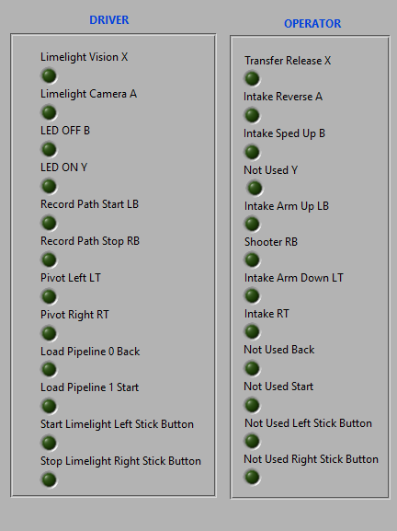
DRIVER |  |  | OPERATOR
Axis 0 | Left Joystick X | Not used | Axis 0 | Left Joystick X | Not used
Axis 1 | Left Joystick Y (Inverted) | Y Throttle - move | Axis 1 | Left Joystick Y (Inverted) | Spring
Axis 2 | Right Joystick X | X Wheel - Steering | Axis 2 | Right Joystick X | Not used
Axis 3 | Right Joystick Y (Inverted) | Not used | Axis 3 | Right Joystick Y (Inverted) | Climb
Button 0 | X | Set Limelight to Vision | Button 0 | X | Transfer Release
Button 1 | A | Set Limelight to Camera Mode | Button 1 | A | Intake Reverse
Button 2 | B | Limelight LED OFF | Button 2 | B | Intake Higher Speed
Button 3 | Y | Limelight LED ON | Button 3 | Y | Not used
Button 4 | Left Bumper | Start Recording Auto | Button 4 | Left Bumper | Intake Arm Up
Button 5 | Right Bumper | Stop Recording Auto | Button 5 | Right Bumper | Shooter
Button 6 | Left Trigger | Pivot Left | Button 6 | Left Trigger | Intake Arm Down
Button 7 | Right Trigger | Pivot Right | Button 7 | Right Trigger | Intake
Button 8 | Back | Load Pipeline 0 | Button 8 | Back | Not used
Button 9 | Start | Load Pipeline 0 | Button 9 | Start | Not used
Button 10 | Left Joystick (click) | Start Driving with Limelight | Button 10 | Left Joystick (click) | Not used
Button 11 | Right Joystick (click) | Stop Driving with Limelight | Button 11 | Right Joystick (click) | Not used
Hat | Directional Pad (X,Y) | Not used | Hat | Directional Pad (X,Y) | Not used

